Scenario analysis
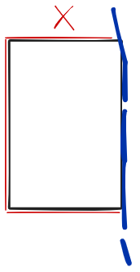
 |  |  |  | ziteboard.com
3 | The fence around a square field is 100 meters long. One side of the field runs along a river, so there is no fence there. We are interested in the area of the field.
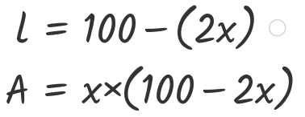
 | Fence total | 100
 | Width | 20
 | Length | 60

 | Area | 1200

 | Width | Area | Length
 | 0 | 0 | 100
 | 5 | 450 | 90
 | 10 | 800 | 80
 | 15 | 1050 | 70
Area vs. Width
 | 20 | 1200 | 60
 | 25 | 1250 | 50
 | 30 | 1200 | 40
 | 35 | 1050 | 30
 | 40 | 800 | 20
 | 45 | 450 | 10
 | 50 | 0 | 0

